Standard Dev
Date | Bank Visitor
2022-12-01 | 8 | Task
2022-12-02 | 1 | There is a daily data of visitors into a bank branch in Jakarta
2022-12-03 | 2 | The manager would like to provide some chairs considering amount of visitors that enter into that branch
2022-12-04 | 3
2022-12-05 | 3 | Question
2022-12-06 | 8 | If you are the data analyst of the bank, how many chair that you need to prepared to cover 96% of all visitior at least will get the seat?
2022-12-07 | 1 | asumption : the data is normally distributed
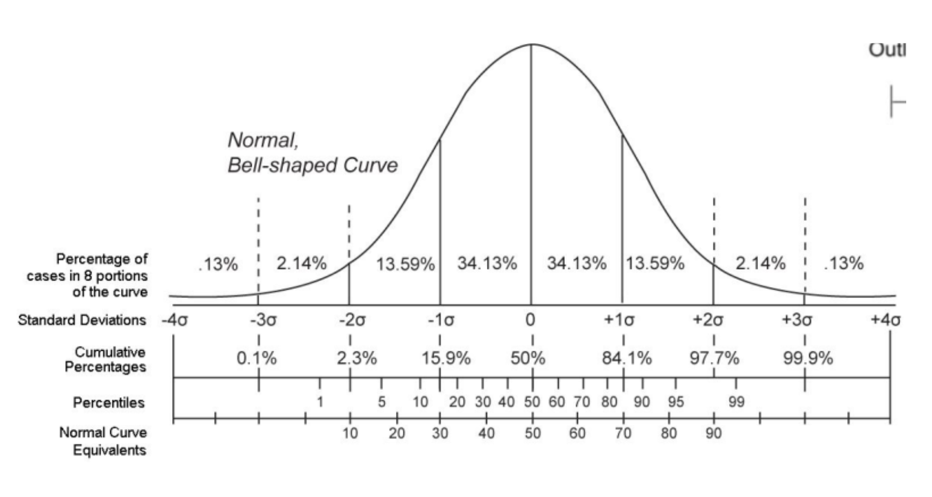
2022-12-08 | 8
2022-12-09 | 10
2022-12-10 | 5
2022-12-11 | 9
2022-12-12 | 6
2022-12-13 | 8
2022-12-14 | 2
2022-12-15 | 9
2022-12-16 | 4
2022-12-17 | 20
2022-12-18 | 10
2022-12-19 | 6 | Answer
2022-12-20 | 1
2022-12-21 | 6 |  | median
2022-12-22 | 10 |  | Mean | 6.1
2022-12-23 | 7 |  | Stdev | 4.1
2022-12-24 | 3 | With assuming the data is normally distributed
2022-12-25 | 5 | We can prepare the chair to cover 96% of the seat at least for
2022-12-26 | 9 | mean + 2 * std.dev
2022-12-27 | 6 | 6,1 + 2 * (4,1)
2022-12-28 | 2 | 14.3
2022-12-29 | 10
2022-12-30 | 1 | 15 chair we need to prep.

Z Score
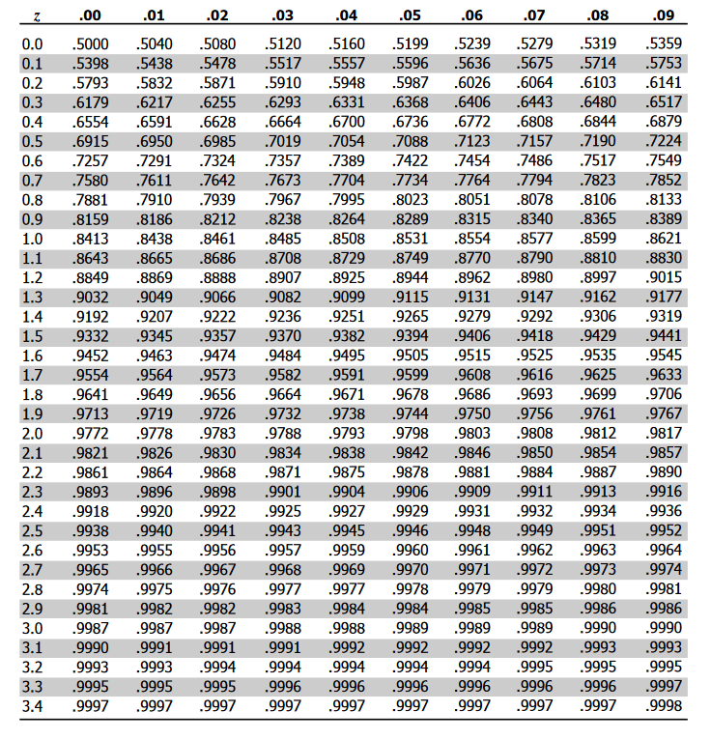
 | Jakarta | Surabaya
Tawaran Kerja dengan Gaji Kepada si Bejo | 6,000,000 | 4,500,000

 | Biaya Hidup
Data Pengeluaran Bulanan Teman Bejo Teman-ke | Jakarta | Surabaya
1 | 7,200,000 | 5,000,000
2 | 8,000,000 | 2,500,000
3 | 6,500,000 | 3,000,000
4 | 3,000,000 | 3,000,000
5 | 4,500,000 | 4,200,000
6 | 5,200,000 | 3,400,000
Mana yang harus Bejo Ambil jika mempertimbangkan biaya hidup berdasar lingkungannya?
Mean Sample | 5,733,333 | 3,516,667
Std. Sample | 1,852,206 | 921,774
Z Score | 0.14 | 1.07
 | 0.1439724751

